Sheet1
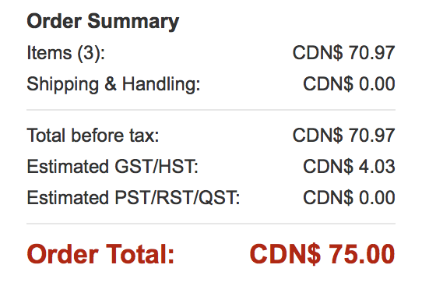
Bill of Materials | Price | Paid by:
Return | $8 | Auda
Servos | $30 | Auda
Ball joints | $11 | Auda
Home Depot | $13 | Auda
Wood | $8 | Ahmed
3D Print Platform | $6 | Auda
3D print Servo Arms | $2 | Sodie
Fastenall | $16 | Ahmed

Total | $94

